SCRIPT
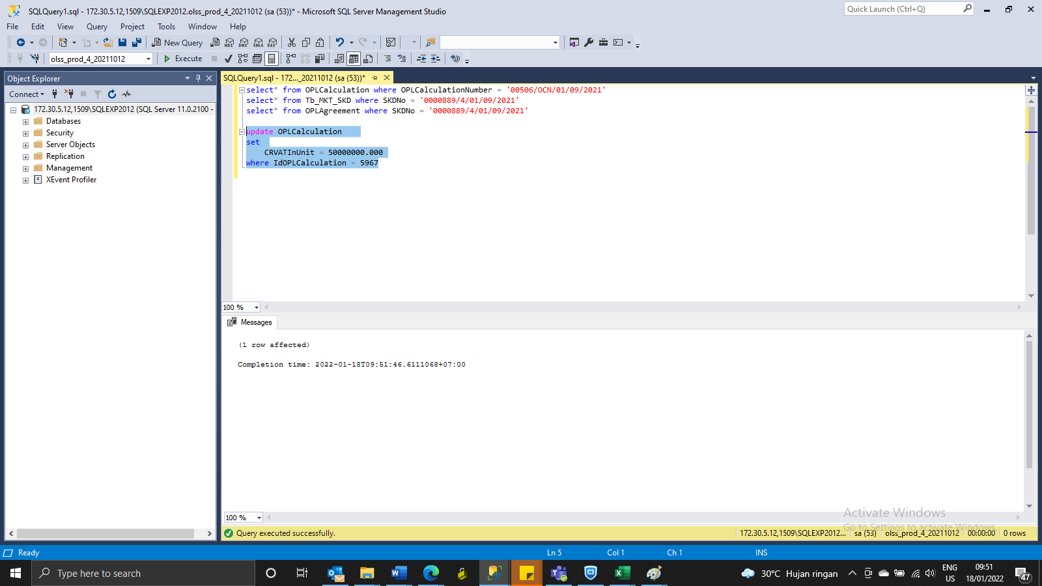
update OPLCalculation
set
 | CRVATInUnit = 50000000.000
where IdOPLCalculation = 5967

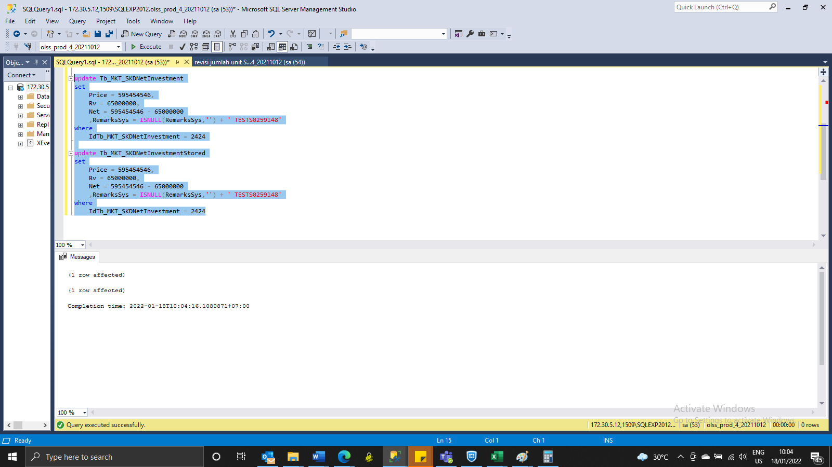
update Tb_MKT_SKDNetInvestment
set
Price = 595454546,
Rv = 65000000,
Net = 595454546 - 65000000
 | ,RemarksSys = ISNULL(RemarksSys,'') + ' TESTS0259148'
where
IdTb_MKT_SKDNetInvestment = 2424

update Tb_MKT_SKDNetInvestmentStored
set
Price = 595454546,
Rv = 65000000,
Net = 595454546 - 65000000
 | ,RemarksSys = ISNULL(RemarksSys,'') + ' TESTS0259148'
where
IdTb_MKT_SKDNetInvestment = 2424

ss
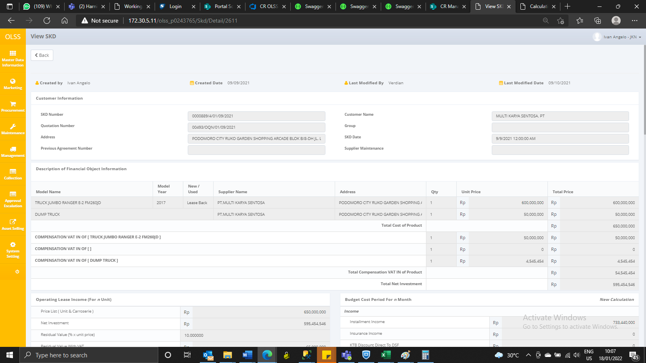
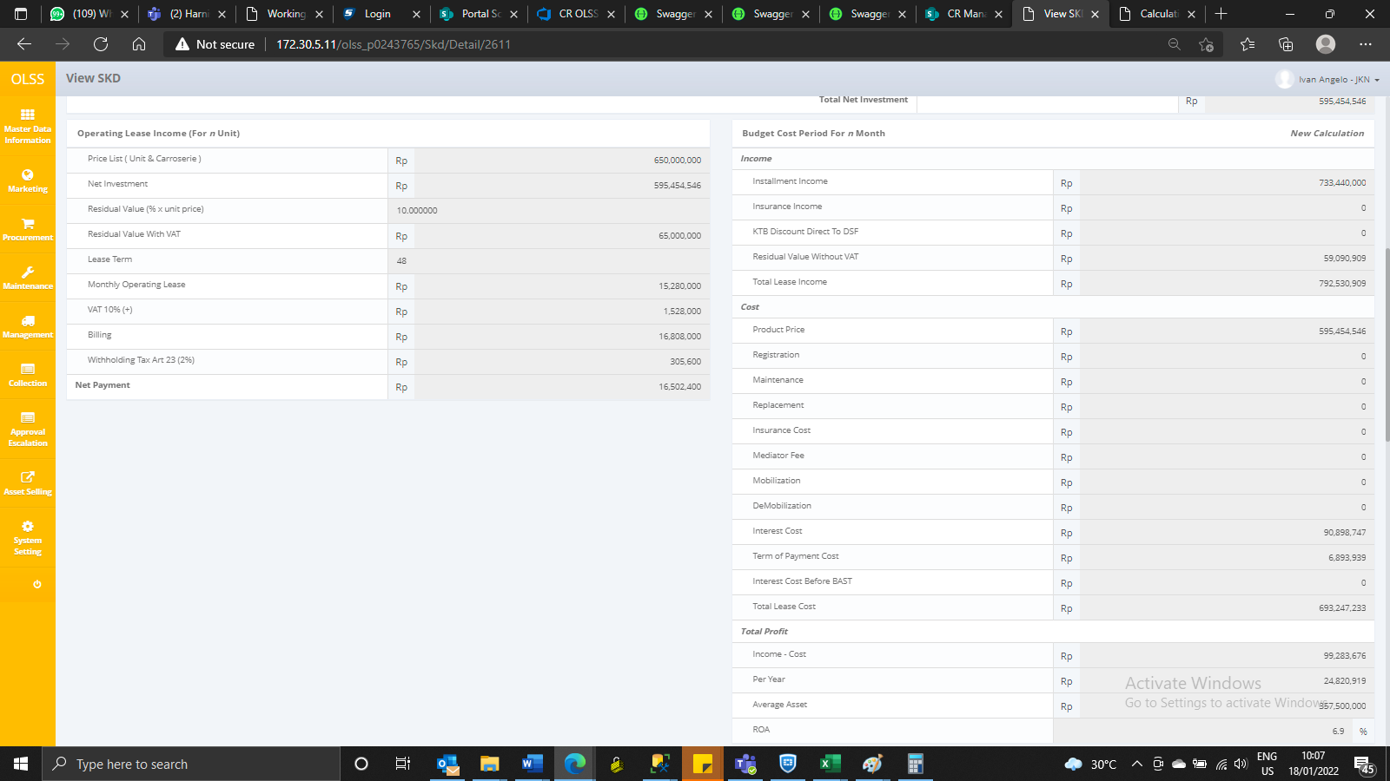
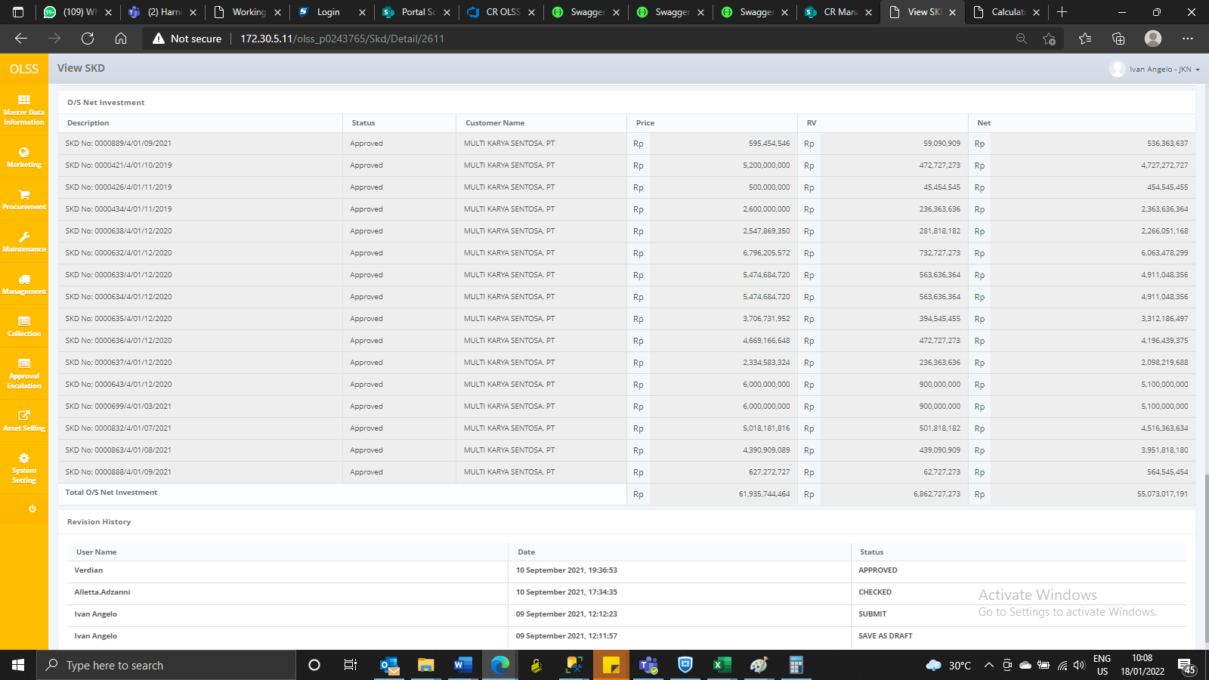
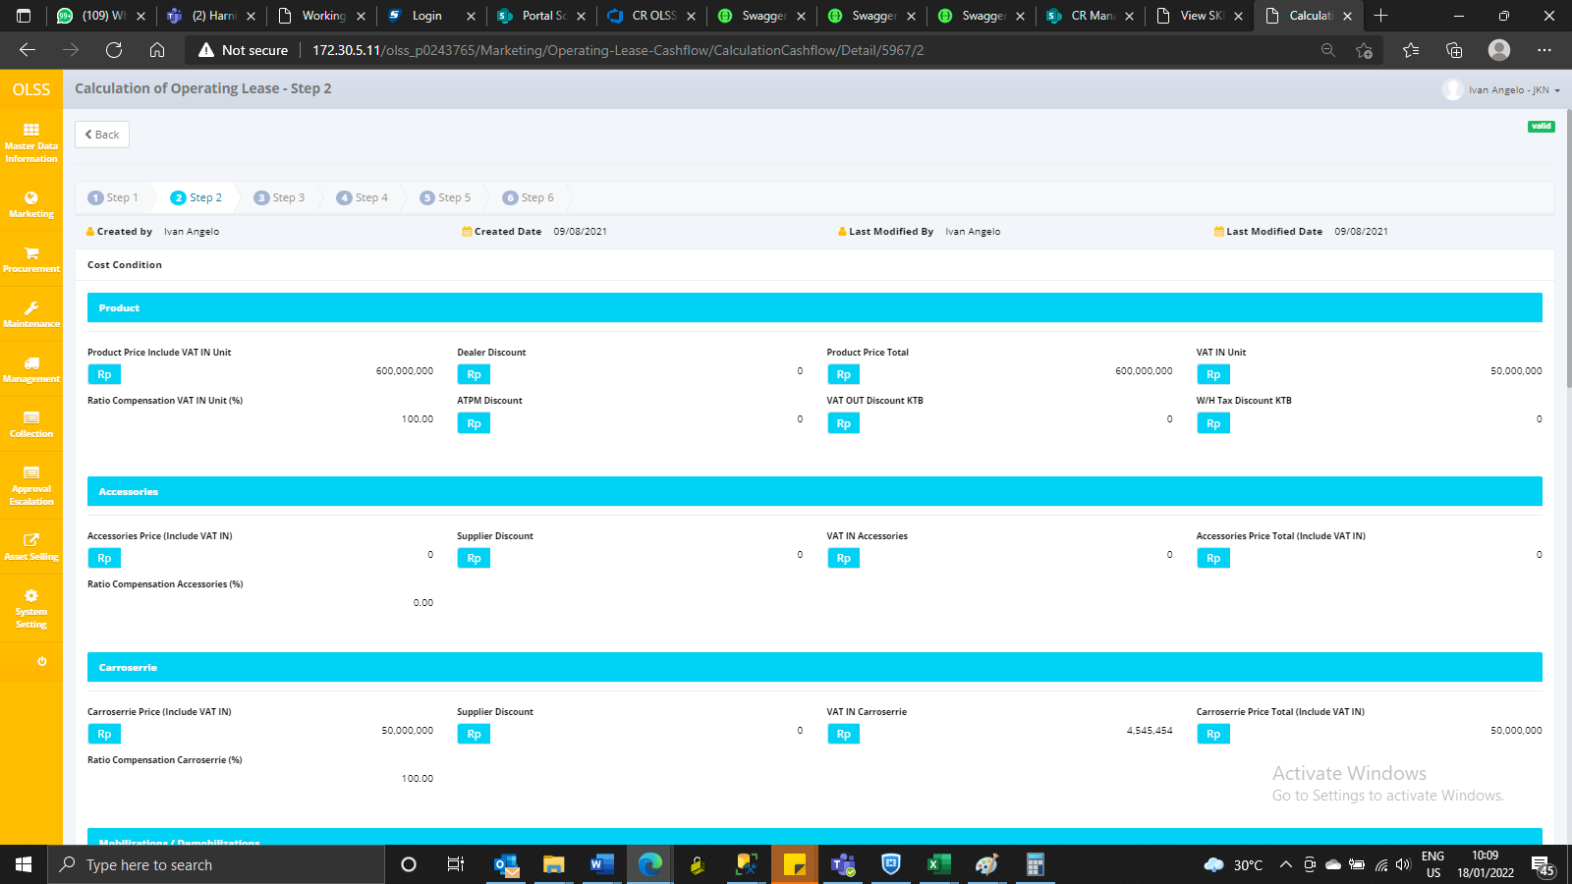
Test ubah VAT In SKD
SKD No 0000889/4/01/09/2021

BEFORE
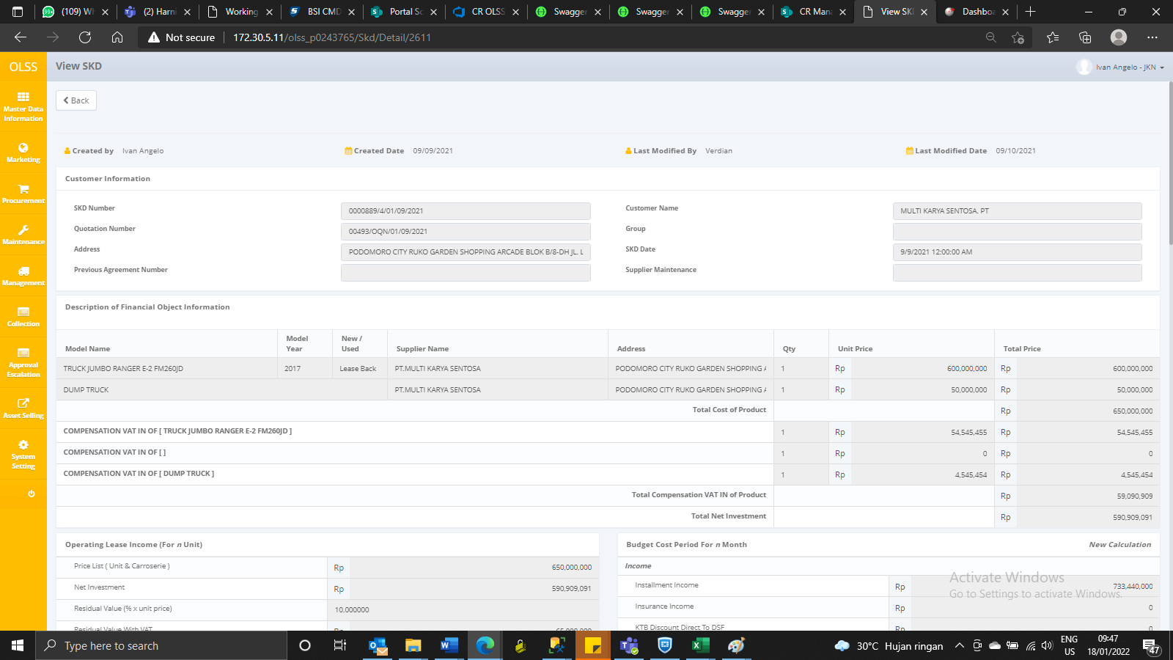
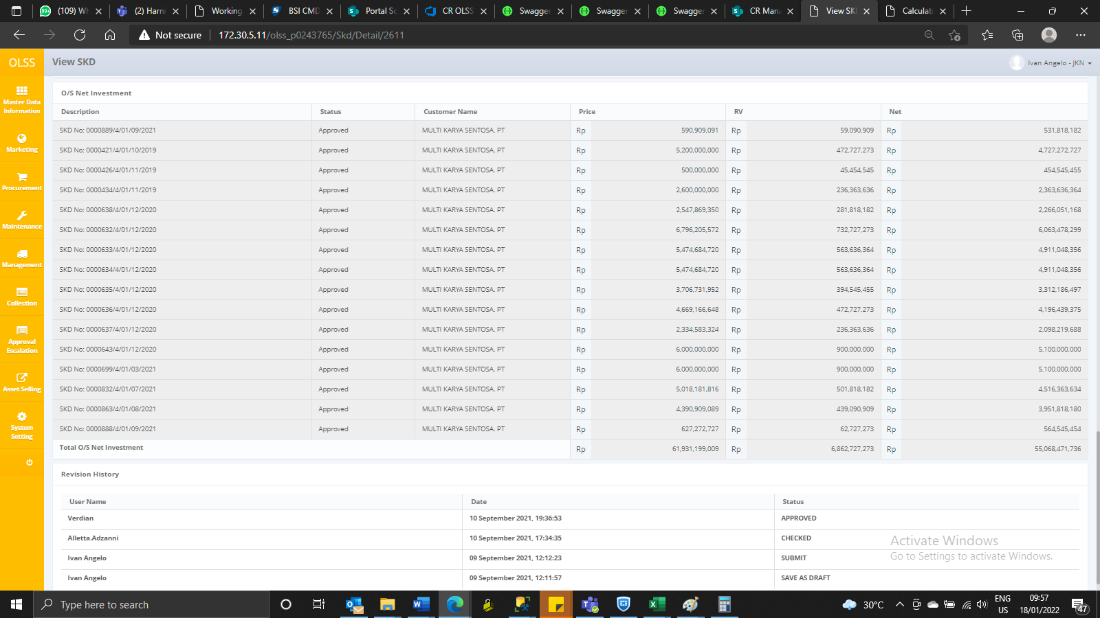

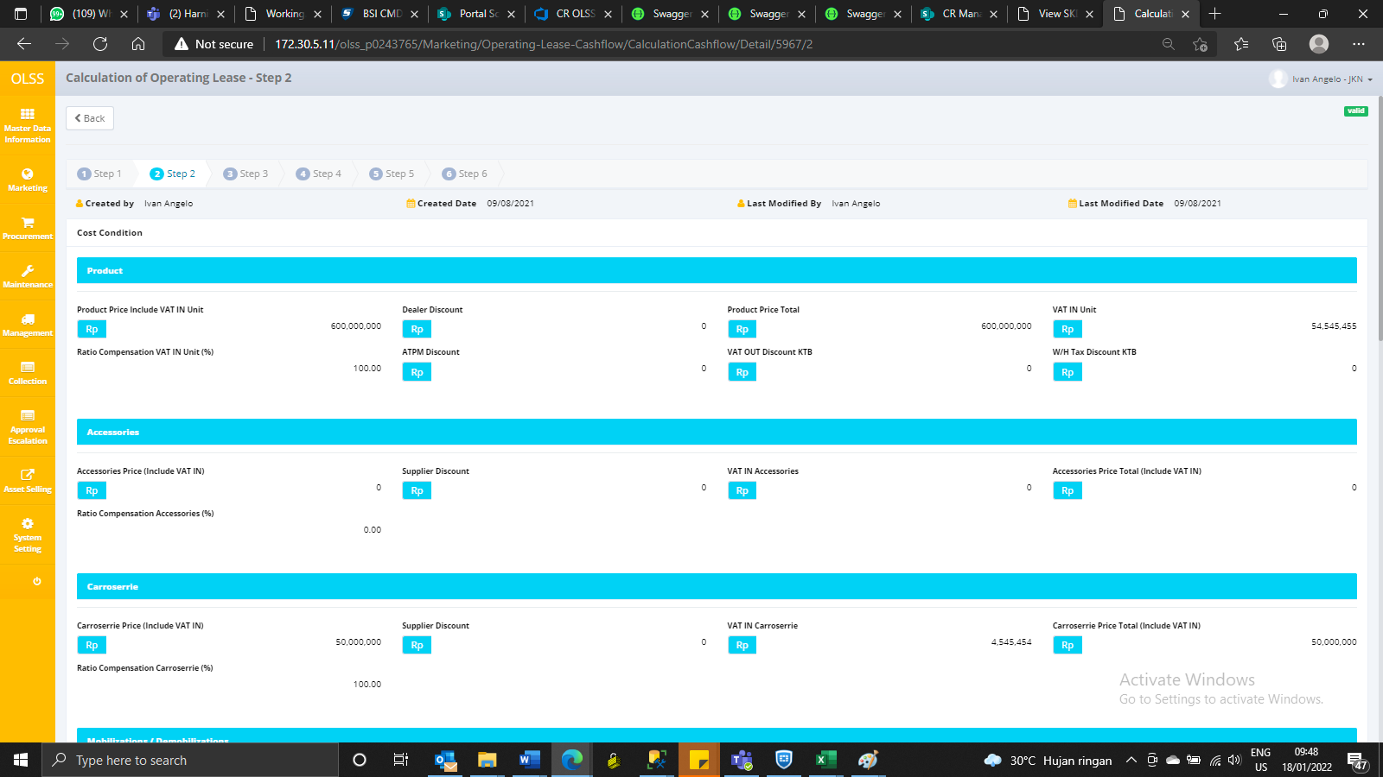

AFTER

